Branding Information
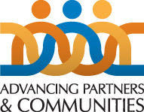

Community Health Systems Catalog Codebook

This publication was produced by Advancing Partners & Communities (APC), a cooperative agreement funded by the U.S. Agency for International Development under Agreement No. AID-OAA-A-12-00047, beginning October 1, 2012. The authors' views expressed in this publication do not necessarily reflect the views of the U.S. Agency for International Development or the United States Government.

